Sheet1
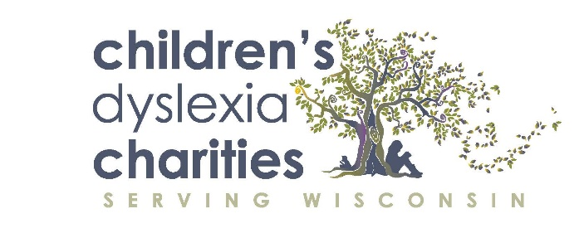

Car Wash Gift Card Fundraising Pre-Sell Sheet
 |  |  |  |  |  |  |  |  | 1=$36
Pre-sale October 11 - November 8, 2020 |  | Delivery to Customer November 15 - December 15 |  |  |  |  |  |  | 2=$72
 |  |  |  |  |  |  |  |  | 3=$108
I’m Selling Kwik Trip Car Wash Cards to raise money for the Children's Dyslexia Charities. |  |  |  |  |  |  |  |  | 4=$144
Seller's Name _____________________________________ |  |  |  |  |  |  |  |  | 5=$180
Customer's Name | Address | City | State | Zip | # of Cards | $ Total | Round Up | Paid | Delivered
Debbie Dyslexia | 616 Graham Ave. | Eau Claire | WI | 54701 | 5 | $180 | $200 | X | X
 |  |  |  |  |  | $- | $-

TOTAL CARDS PRESOLD |  |  |  |  | 0 | $- | $-

